Mass Spec + Vac System
QUASAR-MS V1 Release Open-Source Bill-of-Materials (Complete) |  |  |  |  |  |  | Cross Section View of V1 QUASAR Mass Spec System
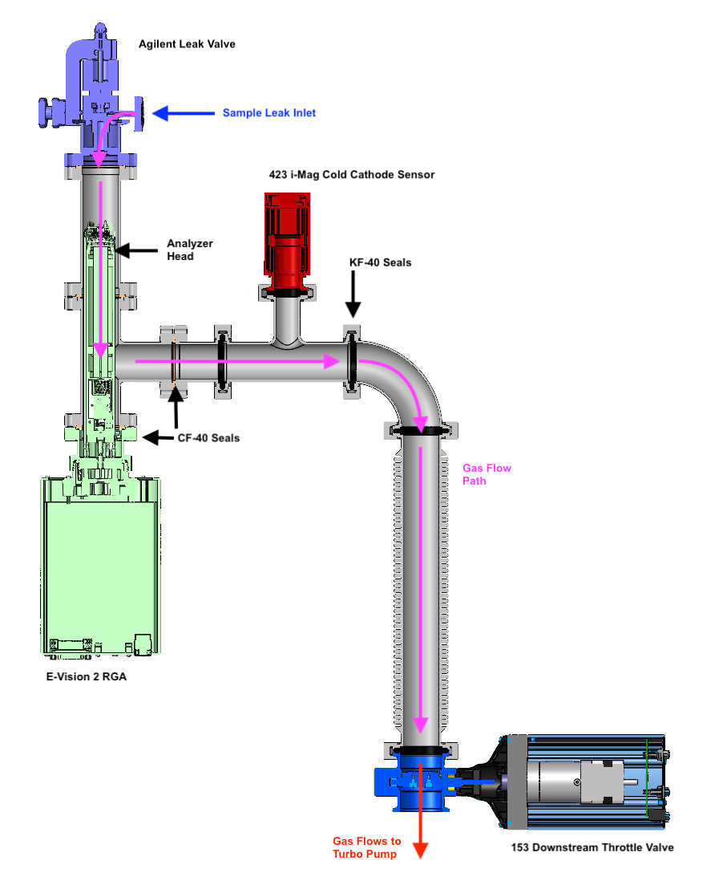
Latest Revision: | Thursday, May 7th, 2026 | List of Vendors: |  | McMaster-Carr Ideal Vacuum Products (IVP) Agilent Eastern Scientific MKS Instruments/Newport Corporation
MIT EHB Website: | https://ehb-mit.gitbook.io
Hello! This spreadsheet is a detailed Bill-of-Materials (BOM) for the V1 of the QUASAR Open-Source Mass Spec. Please note the BOM is broken up by tabs (below) into sections by how the system is documented on our website. You may not need every part in this BOM depending on the specific configuration of the system you are trying to build. Replacement parts / suggestions are also avaliable in the online documentation. If you have any questions, please feel free to reach out to hardware@mit.edu

Vacuum Environment

Mfg. Part Number | Part Name |  | Preferred Vendor |  | Link | Qty.
9088K32 | CF40-CF40 Flanged Straight UHV Fitting |  | McMaster-Carr |  | https://www.mcmaster.com/catalog/9088K32 | 1
9088K62 | CF40-CF40-CF40 Flanged Tee Connector |  | McMaster-Carr |  | https://www.mcmaster.com/catalog/9088K62 | 1
4518K735 | KF-40 CF-40 Vacuum Adapter |  | McMaster-Carr |  | https://www.mcmaster.com/4518K735/ | 1
4518K973 | KF-40 KF-40 39" Long Vacuum Hose |  | McMaster-Carr |  | https://www.mcmaster.com/4518K973/ | 1
4518K13 | KF-40 KF-40 90° Elbow Connector |  | McMaster-Carr |  | https://www.mcmaster.com/catalog/4518K13 | 1
4518K523 | KF-40 KF-40 KF-25 Tee Connector |  | McMaster-Carr |  | https://www.mcmaster.com/4518K523/ | 1
9088K52 | CF-40 Copper Gasket Seals |  | McMaster-Carr |  | https://www.mcmaster.com/9088K52/ | 4
9088K72 | CF-40 Bolt Kits |  | McMaster-Carr |  | https://www.mcmaster.com/9088K72/ | 4
4518K64 | KF-40 O-Ring Seals |  | McMaster-Carr |  | https://www.mcmaster.com/4518K64/ | 5
4518K73 | KF-40 O-Ring Clamps |  | McMaster-Carr |  | https://www.mcmaster.com/4518K73/ | 5
4518K63 | KF-25 O-Ring Seals |  | McMaster-Carr |  | https://www.mcmaster.com/4518K63/ | 1
4518K72 | KF-25 O-Ring Clamps |  | McMaster-Carr |  | https://www.mcmaster.com/4518K72/ | 1
P102253 | CF-16 to Swagelok 1/4" Tube Adapter |  | Ideal Vacuum Products (IVP) |  | https://www.idealvac.com/en-us/product/pp/P102253 | 1
9088K51 | CF-16 Copper Gasket Seal |  | McMaster-Carr |  | https://www.mcmaster.com/9088K51/ | 1
9088K71 | CF-16 Bolt Kit |  | McMaster-Carr |  | https://www.mcmaster.com/9088K71/ | 1

Specialized Vacuum Components

9515106 | Agilent Variable Leak Valve |  | Agilent |  | https://www.agilent.com/en/product/vacuum-technologies/vacuum-components/vacuum-valves/variable-leak-valve?srsltid=AfmBOooA_gixW46txkZvTLBZqI0OBWSwjIzvv-IGkVwz_9JkQQCrZpmF | 1
N/A | Drytel ATH 31+ AMD1 Pumping Station |  | Eastern Scientific |  | https://www.idealvac.com/files/ManualsII/Alcatel_drytel_1025_Manual.pdf?srsltid=AfmBOoqqjQUKybQgjd3LdBoq81az2VoFCnF8FqQ9khbkma1AYc5-kqAW | 1
4518K614 | CF-63 KF-40 Adapter |  | McMaster-Carr |  | https://www.mcmaster.com/4518K614/ | 1
9088K53 | CF-63 Copper Gasket Seal |  | McMaster-Carr |  | https://www.mcmaster.com/9088K53/ | 1
9088K73 | CF-63 Bolt Kit |  | McMaster-Carr |  | https://www.mcmaster.com/9088K73/ | 1

Pressure Control and Sensing

104230004 | MKS HPS 423 i-Mag Cold Cathode Sensor |  | IVP |  | https://www.idealvac.com/en-us/product/pp/P103331 | 1
100016295 | MKS 423 i-Mag to 946 Controller |  | IVP |  | https://www.idealvac.com/en-us/product/pp/P1012854 | 1
153D-20-40-1 | MKS Butterfly Throttle Valve KF40 KF40 w/ Seal |  |  |  |  | 1
100018191 | MKS 153 to 946 Connector Cable |  |  |  |  | 1
946-US-NANANA-NA | MKS 946 Half-Rack Vacuum Controller |  | IVP |  | https://www.idealvac.com/en-us/product/pp/P1012840 | 1
20000712 | MKS 937B Mass Flow Control Card for 946 |  | IVP |  | https://www.idealvac.com/en-us/product/pp/P1012844 | 1
100018446 | MKS Vacuum Sensor Cold Cathode Card 946 |  | IVP |  | https://www.idealvac.com/en-us/product/pp/P1012843 | 1
GM50A013103SMM020 | MKS GM50 1000SCCM Flow Controller (1/4 Tube Fitting) |  | MKS Instruments |  | https://www.mks.com/p/GM50A013103SMM020 | 1 | REVISION HISTORY May 7th, 2026—Initial version of complete system documented in BOM
100016744 | MKS Flow Controller to 946 Cable |  | MKS Instruments |  | https://www.idealvac.com/en-us/product/pp/P1012858 | 1
20057721-001 | MKS 946 Pressure Control Card |  | MKS Instruments |  | https://www.mks.com/p/20057721-001 | 1

Mass Spectrometry

EV2-120-000 | MKS e-Vision 2 RGA 1-100amu, Dual Detector |  | MKS Instruments |  | https://www.mks.com/p/EV2-120-000 | 1

Sampling and Gas Processing
QUASAR-MS V1 Release Open-Source Bill-of-Materials (Complete) |  |  |  |  |  |  | 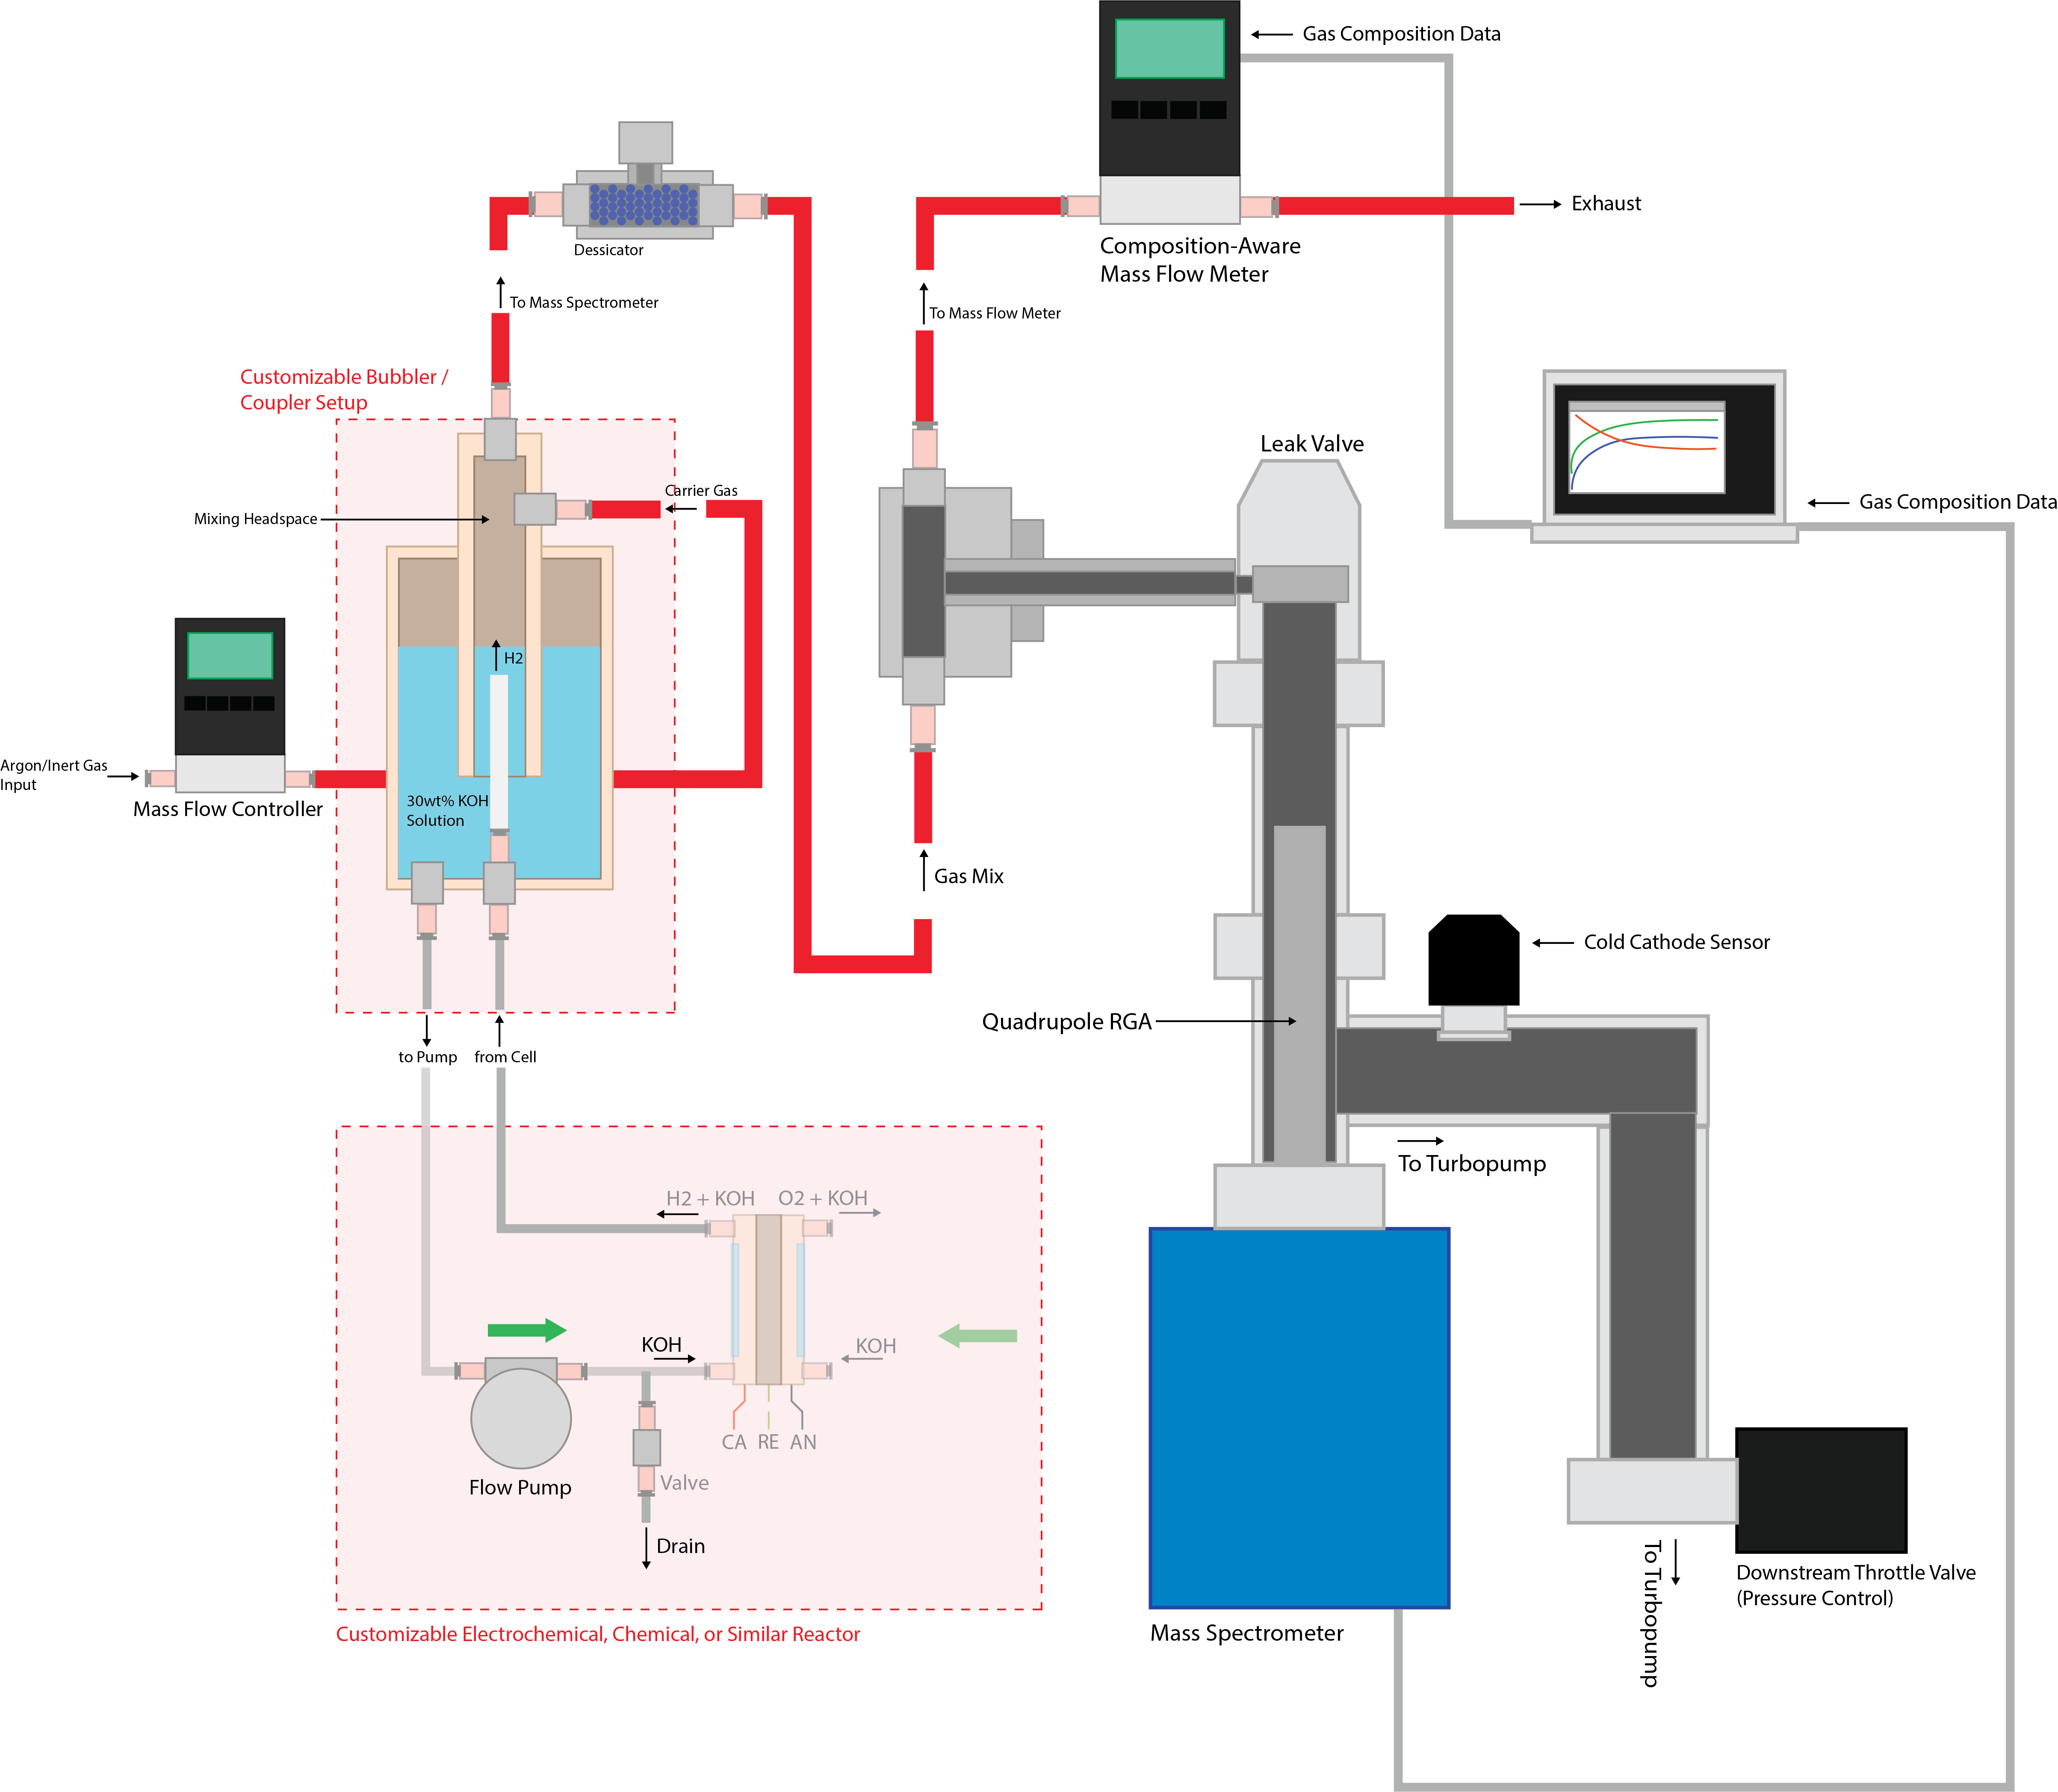 System View of V1 QUASAR Mass Spec System

Latest Revision: | Thursday, May 7th, 2026 | List of Vendors: |  | McMaster-Carr Alicat Scientific
MIT EHB Website: | https://ehb-mit.gitbook.io
Hello! This spreadsheet is a detailed Bill-of-Materials (BOM) for the V1 of the QUASAR Open-Source Mass Spec. Please note the BOM is broken up by tabs (below) into sections by how the system is documented on our website. You may not need every part in this BOM depending on the specific configuration of the system you are trying to build. Replacement parts / suggestions are also avaliable in the online documentation. If you have any questions, please feel free to reach out to hardware@mit.edu

Carrier Gas Input

Mfg. Part Number | Part Name |  | Preferred Vendor |  | Link | Qty.
5635K63 | Red Hard Nylon Tubing (Gas Flow) |  | McMaster-Carr |  | https://www.mcmaster.com/5635K63/ | 50ft
7951A62 | Ar Tank Regulator 1/4" Swagelok Outlet |  | McMaster-Carr |  | https://www.mcmaster.com/7951A62/ | 1
 | See Previous Sheet for MFC Parts

Analyte Connection and Gas Processing

Mfg. Part Number | Part Name |  | Preferred Vendor |  | Link | Qty.
5182K434 | 1/4" Swagelok Tee Fitting |  | McMaster-Carr |  | https://www.mcmaster.com/5182K434/ | 1
5182K111 | 1/4" Tube to 1/4" NPT Fitting |  | McMaster-Carr |  | https://www.mcmaster.com/5182K111/ | 1
4285K12 | Neutralizer/Bubbler Housing |  | McMaster-Carr |  | https://www.mcmaster.com/4285K12/ | 1
5182K863 | 1/4" Tube Holder for Bubbler |  | McMaster-Carr |  | https://www.mcmaster.com/5182K863/ | 1
89785K803 | 1/4" SS Tube for Bubbler |  | McMaster-Carr |  | https://www.mcmaster.com/89785K803/ | 1
48805K81 | 1/4" NPT to 1/4" NPT Male-Male Adapter |  | McMaster-Carr |  | https://www.mcmaster.com/48805K81/ | 3
3353N11 | Vacuum-Rated Liquid Separator (VRLS) |  | McMaster-Carr |  | https://www.mcmaster.com/3353N11/ | 1
4370K3 | Dessicant Beads for VRLS |  | McMaster-Carr |  | https://www.mcmaster.com/4370K3/ | 1
9393K65 | 90° Connector w/ Swivel Joint 1/4" NPT |  | McMaster-Carr |  | https://www.mcmaster.com/9393K65/ | 1
6802K22 | PTFE Sealing Tape |  | McMaster-Carr |  | https://www.mcmaster.com/6802K22/ | 1

MS Sampling System

89075K24-89075K249 | 316 SS Bar Stock for Sampling Tee Connector |  | McMaster-Carr |  | https://www.mcmaster.com/89075K24-89075K249/ | 1
Tools | 1/4"-18 NPT Tap and 7/16" Pilot Drill Bit
 | 7/16"-20 Straight Tap and 25/64" Pilot Drill Bit
 | PTFE Sealing Tape or Torr-Seal Vacuum Epoxy |  |  |  | https://www.mcmaster.com/1887N11/

Gas Flow Measurement

Mfg. Part Number | Part Name |  | Preferred Vendor |  | Link | Qty.
5182K111 | 1/4" Tube to 1/4" NPT Fitting |  | McMaster-Carr |  | https://www.mcmaster.com/5182K111/ | 1
5182K807 | 1/4" Tube to 1/8" NPT Fitting |  | McMaster-Carr |  | https://www.mcmaster.com/5182K807/ | 2
MW-100SCCM-D | Alicat Whisper Low-Pressure Drop MFM 100sccm |  | Alicat Scientific |  | https://store.alicat.com/products/low-pressure-drop-whisper-series-mass-flow-devices | 1
PVPS24U | Alicat Power Adapter 24VDC |  | Alicat Scientific |  | Avaliable w/ Quote on Line 51 | 1
USB232-6-DC | USB to 8-Pin Serial Communications Cable |  | Alicat Scientific |  | https://store.alicat.com/products/usb-md8-232

Heater System
QUASAR-MS V1 Release Open-Source Bill-of-Materials (Complete) |  |  |  |  |  |  | 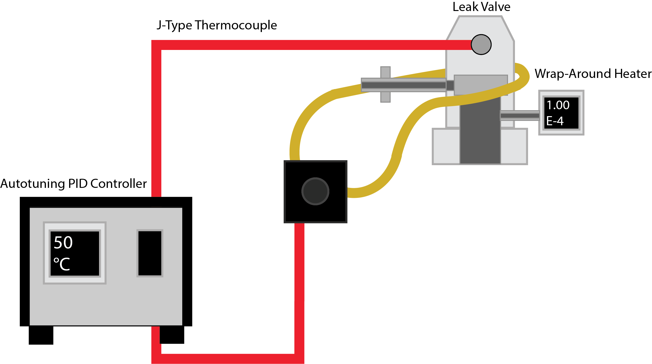 Temperature Control System for Agilent Leak Valve

Latest Revision: | Thursday, May 7th, 2026 | List of Vendors: |  | McMaster-Carr
MIT EHB Website: | https://ehb-mit.gitbook.io
Hello! This spreadsheet is a detailed Bill-of-Materials (BOM) for the V1 of the QUASAR Open-Source Mass Spec. Please note the BOM is broken up by tabs (below) into sections by how the system is documented on our website. You may not need every part in this BOM depending on the specific configuration of the system you are trying to build. Replacement parts / suggestions are also avaliable in the online documentation. If you have any questions, please feel free to reach out to hardware@mit.edu

Variable Leak Valve Heater

Mfg. Part Number | Part Name |  | Preferred Vendor |  | Link | Qty.
1797N11 | Autotuning PID Temperature Controller |  | McMaster-Carr |  | https://www.mcmaster.com/1797N11/ | 1
6441T674 | J-Type Thermocouple 3ft Cable w/ Connector |  | McMaster-Carr |  | https://www.mcmaster.com/6441T674/ | 1
3631K21 | Constant-Wattage Heating Tape |  | McMaster-Carr |  | https://www.mcmaster.com/3631K21/ | 1

Chamber Baking System

Mfg. Part Number | Part Name |  | Preferred Vendor |  | Link | Qty.
6441T674 | J-Type Thermocouple 3ft Cable w/ Connector |  | McMaster-Carr |  | https://www.mcmaster.com/6441T674/ | 1
3631K21 | Constant-Wattage Heating Tape |  | McMaster-Carr |  | https://www.mcmaster.com/3631K21/ | 1
40255K33 | High-Accuracy Thermometer |  | McMaster-Carr |  | https://www.mcmaster.com/40255K33/ | 1
 |  |  |  |  |  |  | RGA Chamber Baking System
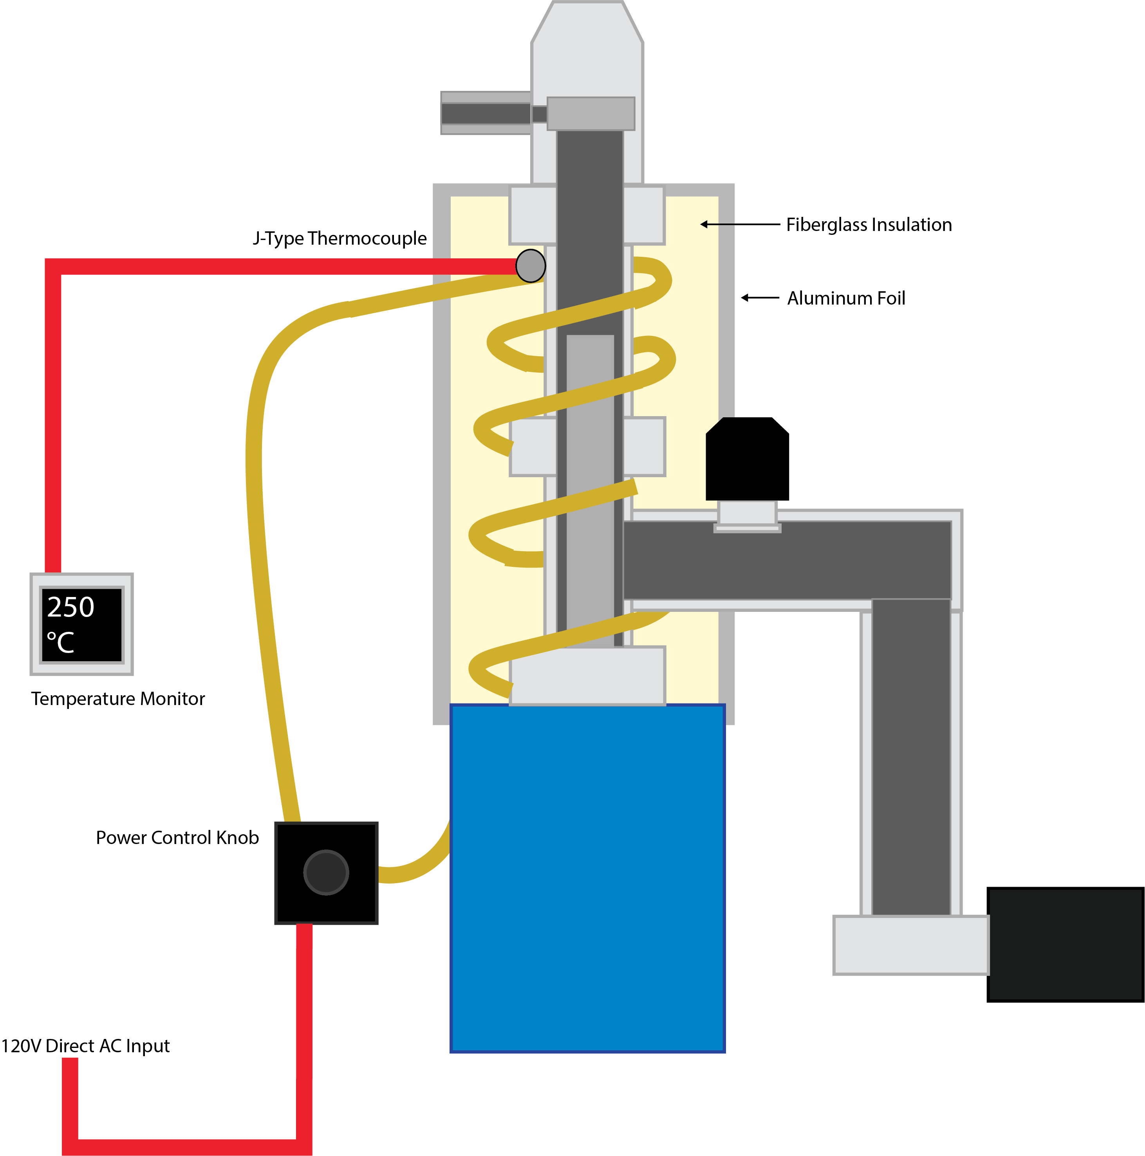
Insulation & Mounting

Mfg. Part Number | Part Name |  | Preferred Vendor |  | Link | Qty.
9346K11 | Fiberglass Insulation Roll |  | McMaster-Carr |  | https://www.mcmaster.com/9346K11/ | 1
6898K341 | Stainless Steel Zip-Ties |  | McMaster-Carr |  | https://www.mcmaster.com/6898K341/ | 1
 | Aluminum Foil
7648A63 | Kapton TC Mounting Tape |  | McMaster-Carr |  | https://www.mcmaster.com/7648A63/ | 1

